Types of Access
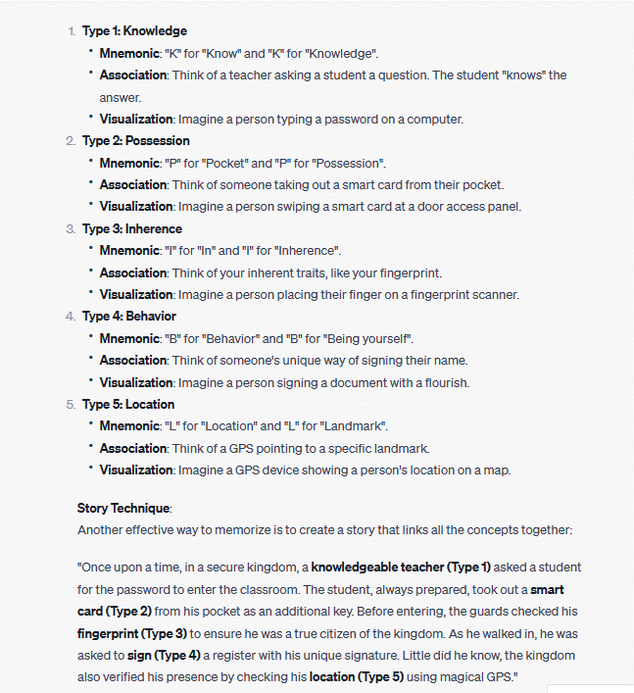
Type | Authentication Factor | Matching Concept | True Rejections | False Rejections | True Acceptances | False Acceptances
Type 1 | Something You Know (Knowledge) | Someone You Know (e.g., Password) | Legitimate user enters correct password | User forgets password | Legitimate user enters correct password | Unauthorized user guesses password
Type 2 | Something You Have (Possession) | Someone You Have (e.g., Smart card) | Smart card properly recognized | User misplaces smart card | Smart card properly recognized | Unauthorized user steals smart card
Type 3 | Something You Are (Inherence) | Someone You Are (e.g., Fingerprint) | Fingerprint recognized successfully | Fingerprint not recognized due to damage | Fingerprint recognized successfully | Unauthorized user's fingerprint accepted
Type 4 | Something You Do (Behavior) | Something You Do (e.g., Signature) | Authentic signature verified | Signature variations due to haste | Authentic signature verified | Skilled forger replicates signature
Type 5 | Somewhere You Are (Location) | Somewhere You Are (e.g., GPS) | Correct GPS location detected | Mismatched GPS data | Correct GPS location detected | Unauthorized user masks IP address

Authorization Model | Description | Subject (Who) | Object (What) | Key Characteristics
RBAC (Role-Based Access Control) | Assigns permissions based on roles. Users are assigned roles, and roles have associated permissions. | Users, Roles | Resources, Data | Granular control, Reduced complexity, Scalability
MAC (Mandatory Access Control) | Determines access based on labels or levels of sensitivity. Subjects have clearance, objects have labels. | Clearance (Subjects) | Labels (Resources/Data) | High security, Centralized control, Data classification
DAC (Discretionary Access Control) | Owners have control over their resources. Users can share resources and set permissions. | Users, Owners | Resources, Data | Flexibility, Decentralized control, Collaboration
ABAC (Attribute-Based Access Control) | Access based on attributes/conditions. Policies evaluate attributes of users and resources. | Users, Attributes | Resources, Attributes | Fine-grained control, Dynamic authorization, Context-aware
Rule-Based Access Control | Access based on predefined rules or conditions. Access decisions determined by rule evaluations. | Users, Rules | Resources, Conditions | Specific rule enforcement, Customizable, Conditional access
PBAC (Policy-Based Access Control) | Access based on policies defined by administrators. Users' requests evaluated against policies. | Users, Policies | Resources, Policies | Centralized policy management, Simplified administration
TACACS+ (Terminal Access Controller Access-Control System Plus) | Provides authentication, authorization, and accounting for network access. Often used for network devices. | Users, Network Devices | Network Resources | Network access control, Auditing, Remote authentication
XACML (eXtensible Access Control Markup Language) | Uses XML-based policies for fine-grained access control. Decisions made based on attributes and policies. | Users, Policies | Resources, Attributes | Interoperability, Attribute-based decisions, Customizable policies

Aspect | Symmetric Encryption | Asymmetric Encryption
Key Usage | Same key for encryption and decryption | Pair of keys: public and private
Speed | Faster | Slower
Suitable for | Encrypting large amounts of data | Key exchange, digital signatures
Key Exchange | Challenging to securely share key | Secure for key exchange
Data Encryption | Efficient for bulk data encryption | Slower due to complex operations
Security and Usage | Limited security for key distribution | Higher security for various tasks
Examples of Algorithms | AES, DES | RSA, ECC

Aspect | Segregation of Duties | Defense in Depth
Focus | Role separation to prevent abuse. | Layered security approach.
Objective | Prevent fraud, errors, unauthorized actions. | Counteract various threats.
Application | Finance, compliance, critical processes. | IT, network, data security.
Risk Mitigation | Insider threats, unauthorized actions. | External and internal threats.
Detection and Recovery | Detect fraud, unauthorized activities. | Early breach detection, response.
Complexity | Process design, role assignment. | Technical, procedural measures.
Human Element | Personnel roles and responsibilities. | Employee training, awareness.

Concept | Description | Example / Use Case
RBAC (Role-Based Access Control) | Access based on user roles and permissions assigned to those roles. | In a hospital, doctors have access to patient records, while nurses can only view medical histories.
MAC (Mandatory Access Control) | Access control based on system-enforced labels and levels of sensitivity. | Military environments where data classification (e.g., top secret, secret) dictates access.
DMZ (Demilitarized Zone) | A network segment that separates internal and external networks. | A web server in a DMZ allows external access while shielding internal systems from direct exposure.
Rule-Based Access Control | Access determined by predefined rules and conditions. | A firewall allowing traffic based on specific criteria like IP address or port numbers.
Discretionary Access Control (DAC) | Owners control access and permissions to their resources. | Personal computer where users determine who can access their files.
Least Privilege Principle | Users are granted the minimum access necessary for their tasks. | Employees accessing only the data required for their job roles.
Need-to-Know Principle | Access granted only if necessary for a specific task or role. | Classified government information shared only with individuals who require it.
Separation of Duties | Prevents conflicts of interest by dividing critical tasks. | A bank requiring separate individuals to authorize and execute financial transactions.

Castle Component | Cybersecurity Component | Explanation and Function 1 | Explanation and Function 2
Castle Blueprint | Policy | Policy is like the blueprint that guides the construction of the castle. It sets high-level requirements and objectives for cybersecurity. Just as the castle's blueprint ensures the right design, policies guide decision-making and protection of information assets. | The Board of Directors' Strategy sets the overarching direction for Trafford Company. Just as this strategy guides the company's decisions, Policies provide high-level guidance for the cybersecurity approach, ensuring protection and alignment with business objectives. | Remember P-S-P-G in order
Strong Walls | Standards | Standards are like the strong walls of the castle. They represent the unyielding rules and measures that ensure security. Just as the castle walls define its boundaries and provide defense, standards establish objective, quantifiable expectations to protect digital assets. | The Security Framework represents the solid security measures in place. Similarly, Standards establish specific, measurable security requirements that act as unbreakable barriers, similar to how the framework protects the company's operations.
Guard's Handbook | Procedures | Procedures are like the Guard's Handbook, detailing the steps to follow for various scenarios. Just as guards follow procedures for guarding the castle, cybersecurity procedures provide detailed instructions to achieve specific security goals, ensuring a consistent and repeatable approach. | The Operations Handbook provides detailed steps for various operational scenarios. In cybersecurity, Procedures offer step-by-step instructions to achieve specific security tasks, just as the handbook guides employees in performing various tasks.
Wisdom Scrolls | Guidelines | Guidelines are like the Wisdom Scrolls carried by the castle inhabitants. They offer recommendations and best practices for flexible decision-making. Just as the inhabitants use wisdom scrolls for guidance in unforeseen situations, cybersecurity guidelines offer general advice to streamline processes when specific standards do not apply. | The Expert Advisory Group offers informed recommendations for flexible decisions. Likewise, Guidelines provide general best practices and advice for streamlined processes in unique situations, similar to the advisory group's insights.

Control Type | Description | Examples
Preventive Technical | Measures put in place to proactively prevent or minimize risks before they occur. | Firewall, Intrusion Prevention System (IPS), Access Control Lists (ACLs), Encryption.
Detective Manual | Processes or actions taken after an event to discover and respond to risks or incidents. | Security audits, Incident response procedures, Manual review of logs.
Detective Technical | Technology-based measures used to identify and respond to risks or incidents after they have occurred. | Security Information and Event Management (SIEM) systems, Log analysis tools, Intrusion Detection System (IDS).
Compensating Technical | Controls used as an alternative when primary controls are impractical, offering similar risk reduction. | Multi-factor authentication (MFA) as a compensating control for weak passwords.

Term | Description | Examples
HIDS | Monitors activities on a single host or endpoint. | - Detects unauthorized changes to system files.<br>- Alerts on abnormal login patterns.<br>- Monitors user privilege changes.
HIPS | Extends HIDS by actively responding to threats. | - Blocks the execution of unauthorized applications.<br>- Halts processes exhibiting malicious behavior.<br>- Prevents buffer overflow exploits.
NIDS | Monitors network traffic for suspicious patterns. | - Detects known attack signatures in network packets.<br>- Raises alerts for traffic spikes or unusual protocol usage.
NIPS | Extends NIDS by actively blocking threats. | - Blocks network packets associated with known malware.<br>- Prevents Distributed Denial of Service (DDoS) attacks.<br>- Stops malicious protocol traffic.

Term | Description | Examples
DMZ | A network segment that separates internal and external networks. | Placing a web server or email server in the DMZ to allow external access while isolating internal systems.
VLAN | Virtual Local Area Network used to segment a physical network into multiple logical networks. | Creating separate VLANs for different departments within an organization to improve network efficiency and security.
LAN | Local Area Network that connects devices within a small geographical area. | An office network connecting computers, printers, and other devices for local communication.
WAN | Wide Area Network that spans a larger geographic area, often connecting multiple LANs. | Connecting branch offices of a company across different cities using leased lines or the internet.
MAN | Metropolitan Area Network covering a larger area than a LAN but smaller than a WAN. | Connecting multiple campuses or buildings within a city or metropolitan area.
WLAN | Wireless Local Area Network that uses wireless technology for device connectivity. | Providing Wi-Fi access in a coffee shop to allow customers to connect their devices to the internet.
PAN | Personal Area Network connecting devices within a short range. | Pairing a smartphone with wireless headphones to listen to music without cables.
SAN | Storage Area Network that provides high-speed data access to storage devices. | Connecting multiple servers to shared storage devices for efficient data storage and retrieval.
CAN | Campus Area Network covering a larger area than a LAN but smaller than a MAN. | Connecting multiple buildings within a university campus using high-speed links.
VPN | Virtual Private Network that creates a secure, encrypted connection over a public network. | Allowing remote employees to access the company's internal network securely from their home or a public Wi-Fi hotspot.
Internet | A global network of networks, providing access to a vast amount of information and services. | Browsing websites, sending emails, streaming videos, and accessing online services from anywhere in the world.

